Sheet1
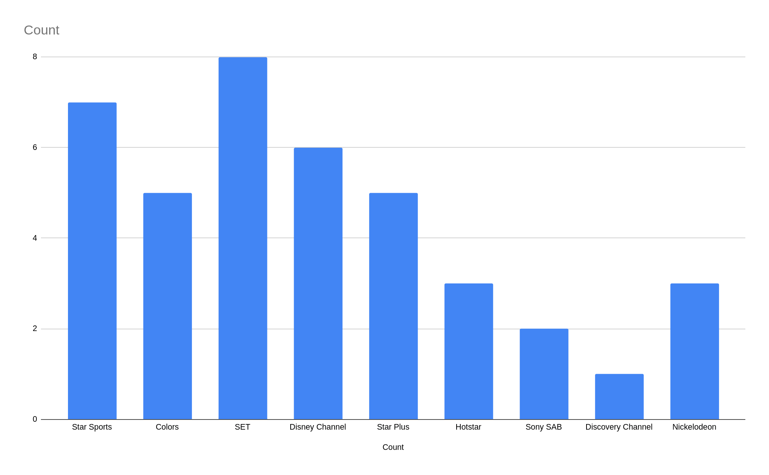
Star Sports
Star Sports
Colors
SET
Disney Channel
SET
Star Plus
Hotstar
Disney Channel
Sony SAB
Star Sports
Star Sports
Colors
SET
Disney Channel
SET
Star Plus
Colors
Discovery Channel
Sony SAB
Star Sports
Star Sports
Colors
SET
Disney Channel
SET
Star Plus
Hotstar
Nickelodeon
Star Sports
Nickelodeon
Colors
SET
Disney Channel
SET
Star Plus
Hotstar
Disney Channel
Nickelodeon
Star Plus

